Scenarios
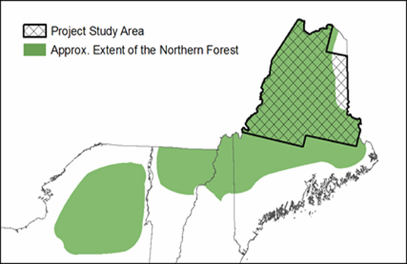
Forest NCS Practices modeled
Scenario Focus | Scenario Name | % Clearcut | Min. Stand Age | Plant after Clearcut | % Land Set aside | % Land Set aside | Total Applicable Area (Mil ac) | Project study area for forest landscape projections using LANDIS-II encompassed approx. 9.1 million acres of predominantly commercial forestland in northern Maine
Landis-based Scenarios
Baseline/BAU | BAU age (min 50) | 10 | 50 | no | 0 | 0 | 9.1
Extended Rotation | Min 85 years | 10 | 85 | no | 0 | 0 | 9.1
 | Min 100 years | 10 | 100 | no | 0 | 0 | 9.1
Clearcut/Partial Harvest Dist. | 35% Clearcut (CC) | 35 | 50 | no | 0 | 0 | 9.1
 | 50% CC | 50 | 50 | no | 0 | 0 | 9.1
Clearcut & Plant | 35% CC, plant | 50 | 50 | yes | 0 | 0 | 9.1
 | 50% CC, plant | 50 | 50 | yes | 0 | 0 | 9.1
Set-aside forest land | 10% set-aside | 10 | 50 | no | 10 | 10 | 9.1
 | 20% set-aside | 10 | 50 | no | 20 | 20 | 9.1
Triad Approach | 35% CC, plant, 10% set aside | 35 | 50 | yes | 10 | 10 | 9.1
 | 35% CC, plant, 20% set aside | 35 | 50 | yes | 20 | 20 | 9.1
Non-Landis Scenarios*
Afforestation | Afforestation | 10 | 50 | no | 0 | 0 | 0.36
Avoided conversion | Avoided conversion - cropland | 10 | 50 | no | 0 | 0 | 0.10
 | Avoided conversion - developed land | 10 | 50 | no | 0 | 0 | 0.33
* Covers all eligible land in Maine. Landis only covers 9.1 million acres in Northern Maine

Agricultural NCS Practices Modeled
Practice | Overview | Application | Total Applicable Area/Cows
Cropland and Grassland NCS
Cover cropping | Permanently implement cover cropping as part of farm system for enhanced soil organic carbon accumulation; reduce erosional soil losses, enhance water infiltration, reduce N losses (N2O, NO3) | potatoes, corn, other grains, vegetables | 134,229
Intensive to reduced till | Permanently switch to reduced till farming that is targeted on shallow soil disturbance to reduce C loss | potatoes, corn, other grains, vegetables | 134,229
Reduced to no till | Permanently switch to no-till farming for enhanced soil organic carbon accumulation through less disturbance of the soil | corn, other grains, vegetables | 39,419
Intensive to no till | Permanently switch to no-till farming for enhanced soil organic carbon accumulation through less disturbance of the soil | corn, other grains, vegetables | 71,990
Biochar amendment | 5.9 t/ac biochar broadcast applied to soil in year 1 of a 20 year cycle for enhanced soil C sink, improved soil health, reduced GHG losses and nutrient runoff | potatoes, corn, other grains, vegetables, hay, blueberries, apples | 355,561
Manure amendment | Substitute fertilizer with manure and compost for reduced CO2, CH4, and N2O losses | potatoes, corn, other grains, vegetables, hay, blueberries, apples | 355,561
Perennial set asides | Permanently convert crop and pasture to no-harvest set aside grassland. Soil C enhanced through reduced disturbance | potatoes, corn, other grains, vegetables, hay, fruit | 241,346
Riparian planting | Plant 35 ft buffer of trees, shrubs, and grass along streams running along marginal cropland and pasture | potatoes, corn, other grains, vegetables, hay, fruit | 21,309
Dairy Manure Management
Large Complete Mix Anaerobic Digester with electricity generation | CH4 emissions are reduced using a large model low-rate digester in which digestate is actively mixed in a heated tank with airtight cover. Digestate is gradually displaced by incoming manure substrate | 1 digester per 2500 cows | 30,443
Covered Lagoon/Holding Pond Anaerobic Digester | Passive digester in which an impermeable cover and pipe system traps and collects CH4 for reduced emissions. Technology is simple and well-established, but supplemental heat may be needed in Northern climates | 1 digester per 300 cows | 30,443
Soild-liquid separation (SLS) | Process for separating dairy solids from liquids, either to reduce manure transit costs and associated emissions or as a pre-treatment for anaerobic digestion | Active SLS with a screen separator, 1 SLS per 1000 cows | 30,443
Small Complete Mix Anaerobic digester (AD) with electricity generation | CH4 emissions are reduced using a small model low-rate digester in which digestate is actively mixed in a heated tank with airtight cover. Digestate is gradually displaced by incoming manure substrate | 1 digester per 300 cows | 30,443
Plug Flow Anaerobic digester (AD) with electricity generation | CH4 emissions are reduced using a low-rate digester in which incoming high-fiber substrate displaces and moves digestate through the system, usually without active mixing. Consists of a long heated tank with airtight cover | 1 digester per 300 cows | 30,443

